sheet
Middle East Respiratory Syndrome (MERS)
type |  | Statistics by period |  | Infectious disease name |  | Grade 1, Middle East Respiratory Syndrome (MERS) |  | Inquiry period |  | 2001 ~ 2020, by year |  | Classification |  | By infected area

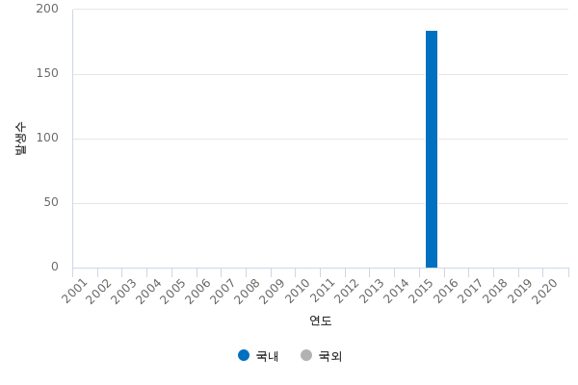

Year | 2001 | 2002 | 2003 | 2004 | 2005 | 2006 | 2007 | 2008 | 2009 | 2010 | 2011 | 2012 | 2013 | 2014 | 2015 | 2016 | 2017 | 2018 | 2019 | 2020
Total Counts | - | - | - | - | - | - | - | - | - | - | - | - | - | - | 185 | 0 | 0 | 1 | 0 | 0
Local Infected Counts | - | - | - | - | - | - | - | - | - | - | - | - | - | - | 184 | 0 | 0 | 0 | 0 | 0
Outside Infected Counts | - | - | - | - | - | - | - | - | - | - | - | - | - | - | 1 | 0 | 0 | 1 | 0 | 0

• Based on the Act on the Prevention and Management of Infectious Diseases, it is counted based on the report of infectious disease patients reported through the National Infectious Disease Monitoring System. • Aggregated based on the reporting date of medical institutions • Regional statistics are calculated based on the patient's address (however, VRSA infection and CRE infection are based on the address of the medical institution reported) • Depending on the scope of reporting by infectious disease, infectious disease patients, suspected infectious diseases, and pathogen holders may be included. • Data for 2020 are provisional, variable statistics. • 0: When there is no patient occurrence,-: Report • When not subject to report • Population with an incidence rate per 100,000 population is based on the population of resident registration years • Weekly statistics are data reported from Sunday to Saturday (e.g., the 45th week of 2018, from January 14th to November 10th, 2018), and weekly statistics are data reported from Sunday to Saturday of the week of January 1 of the year. (Example: 1 week in 2018, 2017.12.31.~2018.1.6.) • Grade 1 Middle East Respiratory Syndrome is a legal infectious disease newly designated in 2015. • Grade 2 measles and rubella may differ from the number of cases classified as patients as a result of the'Measles and Rubella Case Judgment Meeting'. • Class 2 Haemophilus influenzae type b is a legally designated infectious disease newly designated in 2013 and data has been compiled from September 23, 2013. • Level 2 pneumococcus is a legally designated infectious disease newly designated in 2014, and data were compiled from September 19, 2014. • Class 2 vancomy renal resistant yellow staphylococcus aureus (VRSA) infection was changed from designated infectious disease to group 3 infectious disease in 2017 (switched from sample monitoring to full monitoring system), and data were compiled from June 3, 2017. • Class 2 carbapenem intr

